Hebrew 999 Framework (Groups 9)
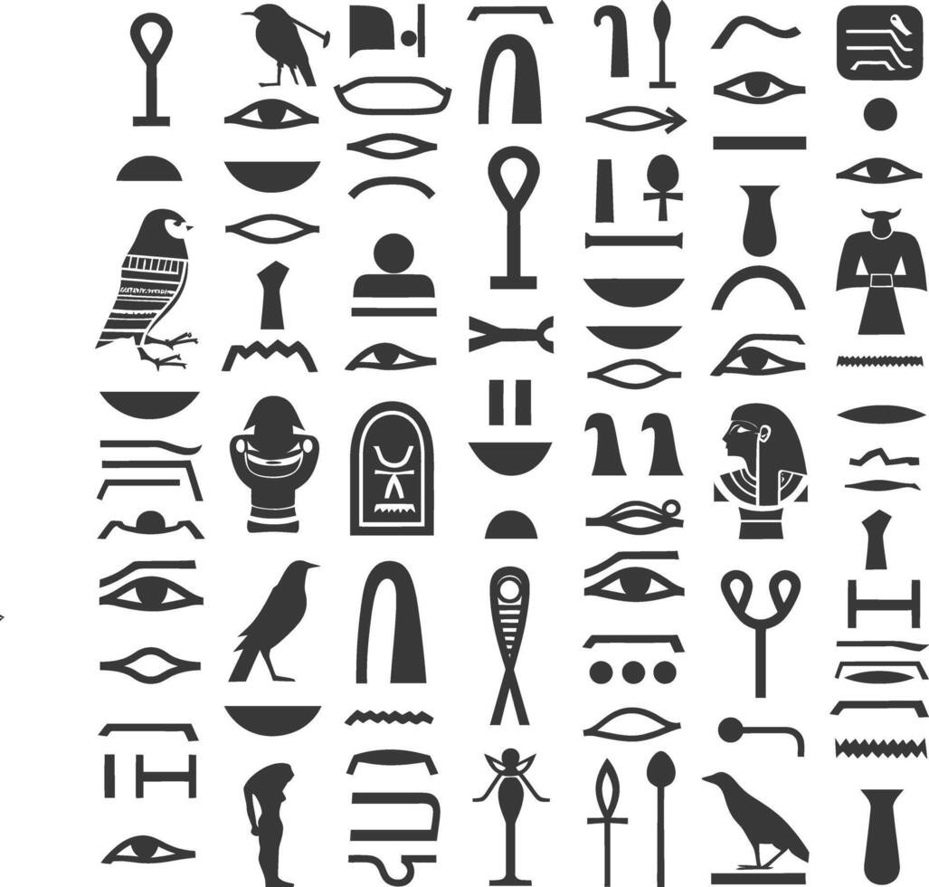 Hebrew Alphabet/ Symbols List- JLD- 999 Framework
Author: Justin William Gill/ justin.gill3975@gmail.com/ +12792377256

Stable Letters | Gematria Value | Stable Aspect Examples
ב Bet | 2 | Rabbit, Found Path, Blessing, Where you are grounded
Tet ט | 9 | Moon, Potential, Incompleteness, Coming full circle, Hidden, Mystery
ג Gimel | 3 | Scorpion (Serket?), Danger, Change Course, Pursue goodness, May strike
ל Lamed | 30 | River, Guidance, Leadership, Showing the path
נ Nun | 50 | Volcano, Worship, Perpetual, Continuing always, Life
ע Ayin | 70 | Eye (Ipy?) Balancing duality, conscious awareness, Insight
צ Tsade | 90 | Antelope, Vision, Choosing the path of, Making a Choice
ש Shin | 300 | Fire Water (Mandulis?), Transformation, Refinement, To change form
ת Tav | 400 | Blue Crown, To do battle, God, All powerful, Greatness
Unstable Letters | Gematria Value | Unstable Aspect Examples
ד Dalet | 4 | Snake (Sokar?), Planting, Grounded path, Grounding Self, Beginning growth
ו Vav | 6 | Man's Spirit , Stillness, The unknown, Dangerous, To Fear, Sent from God to warn, Sin
ז Zayin | 7 | Cloud (Divine Eye), Changing course, From Gods eyes, Barrier/ Wall, Protection
ךKaf Final | 20 | Whale (Great Fish), Connecting to the spirit, Speech, Ruler of the Sky, To teach
ןNun Final | 50 | Lightning Sky, Reaching new heights, Become older, Outer growth, Praise
ף Peh Final | 80 | Osiris Hook, Opening oneself, Inner growth, Potential inside, Vulnerability, Hidden life
ץ Final Tsade | 90 | Praising Man, Growth, Meeting the divine, Ascending
ק Qof | 100 | Elephant? (Neith?), Found Wisdom, Seeing the Divine, Mystery
ר Resh | 200 | Closed hand, Strength, Anger, Powerful, Take Charge
Balanced Letters | Gematria Value | Balanced Aspect Examples
א Aleph | 1 | Crown (Wadjet)(Neith?), Strength, Leader (Ruler), Power in One, Ruler of the Land, to teach
ה Heh | 5 | Wind (Breathe of Life), Applied knowledge, Renewal, Birth, Resurrection
ח Het | 8 | Doorway, Enclosure, Inner chamber, Protection from, Sacred space, Doorway
י Yod | 10 | Flame, Divine point, Illumination, Spirit of God, Spark
כ Kaf | 20 | Octopus, Giving, Illusion, Tool, Ruler of the Sea, to teach
ם Final Mem | 40 | Sealed waters, Sealed goodness, Inner knowledge, Protected
מ Mem | 40 | Wave, Flow, Movement, Releasing knowledge, To be born, Life
ס Samekh | 60 | Whirlwind (Mist?)(Thoth?), Support, Encircle, Surrounding arm, Sent from the divine, Message from God
פ Peh | 80 | Ibis, Receptive, Vision, Seeing the way, Perception

Legend
BOLD | Bold font denotes symbols conceptual image based on review
 | Orange indicates potential linkage with God based on headdress, none confirmed.
 | Blue indicates Gematria value of Hebrew symbol

Date Last Updated | 2025-09-10
Applies to Hebrew Language, Pre-Niqqudot
Aspect definitions are not concrete, but rather, conceptual
Symbols have been adjusted to conincide with potential Egyptian influence. Review of Paleo-Hebrew symbols indicates potential ties to Egyptian language also, different from Modern Hebrew, possible a dialect

Modern Hebrew |  | Paleo-Hebrew | Egyptian Hierogliphics

 |  | * Theorize that this is not related to Modern Hebrew, but other Egyptian Symbols

*Theorize that these directly come from Egyptian Symbols
The Hebrews taking the Egpytian language to make as their own
as a form of rebellion against the powers that be.

Language Symbols
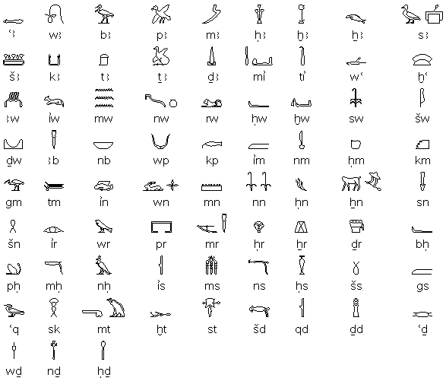
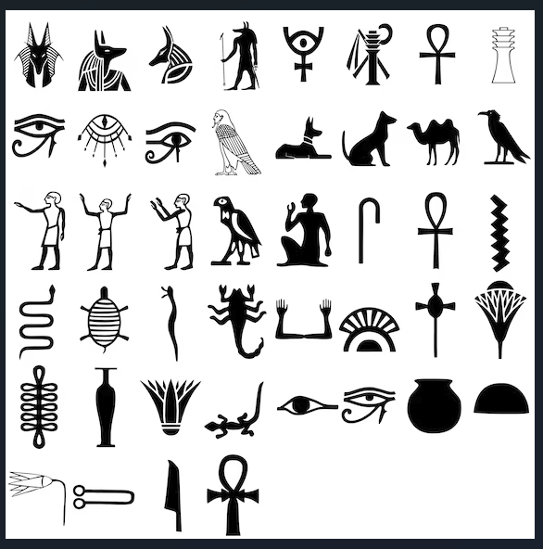
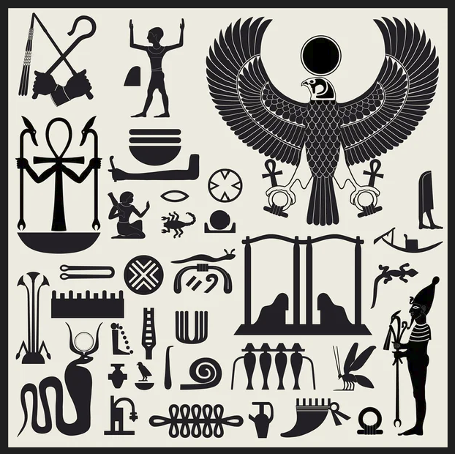
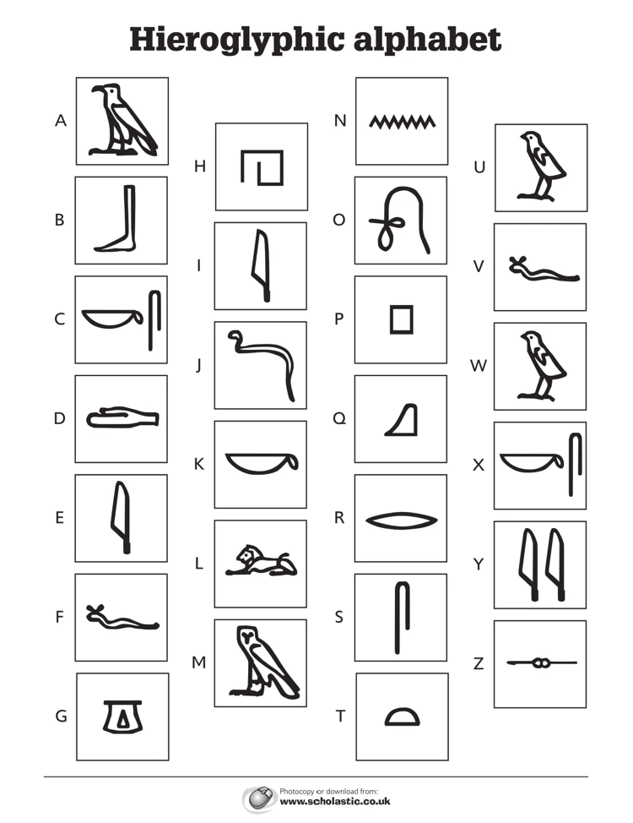
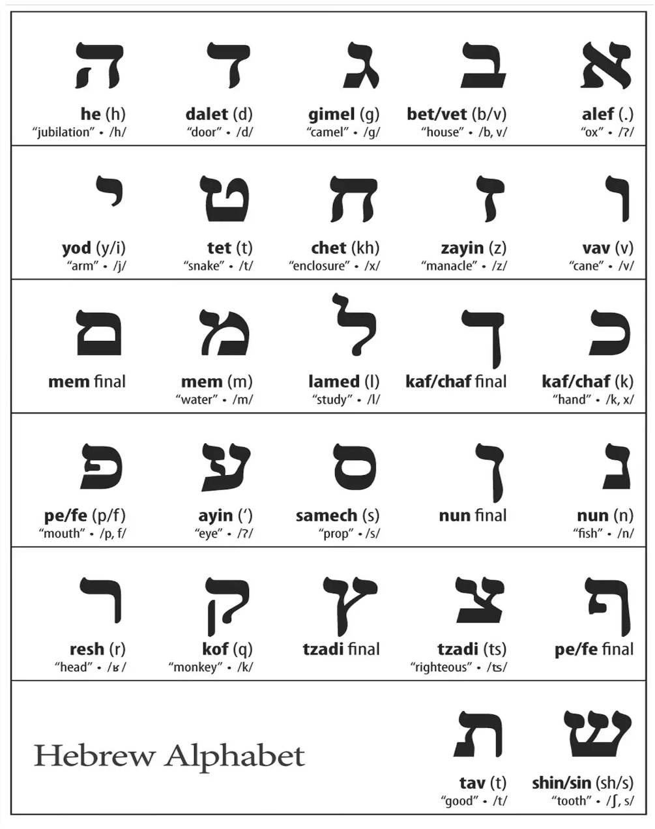
Modern Hebrew | Palo-Hebrew Script

